50nM Sumanirole(D2R) Sensitvity
Dorsolateral GPe (pA) | Baseline | A412997 (50nM) | Normalized | (%) | Baseline | Baseline (10min)
220617_c002 1-68 | 503.98554459 | 343.82930527 | 100 | 68.222056954 | After | A412997 (50nM) treatment for 10 min
220630_c002 1-80 | 658.58757629 | 323.60378265 | 100 | 49.136029027 | *A412997: D4R specific agonist (Majorly activate D4Rs on GPe postsynaptic dendrites)
220712_c001 1-70 | 941.20473633 | 661.54167404 | 100 | 70.286691992
220713_c003 1-60 | 781.47554054 | 503.26359615 | 100 | 64.399148795 |  | PPR increased with statistical significance after QP treatment
220728_c002 1-104 | 862.53043671 | 657.48894768 | 100 | 76.227912627 |  | No statistical significace in PPR change after QP treatment
220801_c001 1-76 | 944.43961105 | 853.7596817 | 100 | 90.398546578
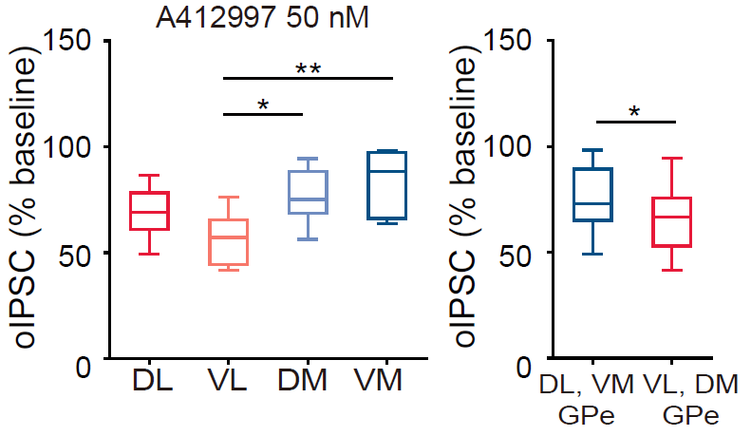

Ventrolateral GPe (pA) | Baseline | A412997 (50nM) | Normalized | (%)
211227_c002 1-55 | 449.65815773 | 188.28733559 | 100 | 41.873439267
220622_c001 1-92 | 281.42086868 | 179.53794518 | 100 | 63.796955079
220624_c001 1-54 | 720.11101685 | 475.36005707 | 100 | 66.012051746
220628_c001 1-55 | 469.89740524 | 247.25951233 | 100 | 52.619893102
220711_c001 1-95 | 1530.3038063 | 1254.7301117 | 100 | 81.992223147
220711_c002 1-66 | 742.21794739 | 460.33931732 | 100 | 62.022121527
220714_c001 1-77 | 1001.2083931 | 505.88984604 | 100 | 50.527927006
220718_c001 1-64 | 479.47383003 | 201.53195839 | 100 | 42.031899504

Dorsomedial GPe (pA) | Baseline | A412997 (50nM) | Normalized | (%)
20220204_c004 1-53 | 639.96576385 | 431.43305969 | 100 | 67.415021875
220621_c002 1-104 | 1167.2789291 | 986.58437042 | 100 | 84.520018806
220623_c002 1-95 | 560.25995026 | 402.73433456 | 100 | 71.883477372
220628_c002 1-93 | 256.70773315 | 152.31321373 | 100 | 59.333317255
220630_c003 1-80 | 924.01723785 | 689.20280304 | 100 | 74.587656464
220713_c002 1-105 | 876.06802902 | 841.27798691 | 100 | 96.0288424
220728_c001 1-90 | 712.40227609 | 656.86231453 | 100 | 92.203848385
220802_c002 1-102 | 876.77452087 | 712.12150421 | 100 | 81.220597458

Ventromedial GPe | Baseline | A412997 (50nM) | Normalized | (%)
211227_c003 1-79 | 1131.3506027 | 1111.8956512 | 100 | 98.280378211
20220204_c006 1-61 | 1383.3555984 | 1184.7350052 | 100 | 85.642115918
220622_c002 1-65 | 401.36104431 | 265.94236221 | 100 | 66.26013311
220623_c001 1-62 | 578.17377014 | 370.37349091 | 100 | 64.059199852
220630_c001 1-105 | 1070.8983253 | 1051.2572151 | 100 | 98.165922033
220712_c002 1-113 | 815.22819748 | 732.36075745 | 100 | 89.835062098

